Sheet1
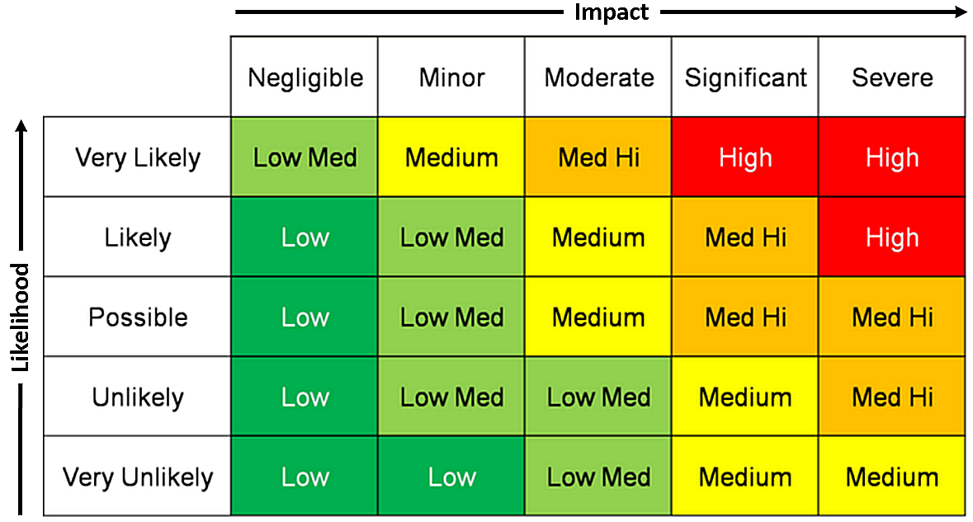
Index | Risk Description | Evaluation | Responsible Party | Probability | Impact | Risk Factor | Control Measures | Response Measures | Associated User Stories
1 | Exposure of customer email/details | Potential for fraud of customer. Loss of customer trust | devs | 2 | 4 | 8 | Build in moderation for posts on discussion boards so that post approval is needed. | Inform customers of loss of data | As a user, I want to know that my personal details are always safe
2 | Exposure/malicious use of site owner's email | Data loss/email becomes unusable | devs | 3 | 3 | 9 | Use contact form rather than providing owner's email directly | Create new email address for owner | As a site owner I want an email form for visitors to use so I don't expose my email on the internet
3 | Unauthorised access to customer payment information | Customers could be subject to fraud. Result in regulatory issues for company. Loss of customer trust | devs | 3 | 5 | 15 | Use secure outside payment provider to manage customer's payment information | Refund customer lost monies, tighten site data protections | As a site owner, I want the payment page to request the following information from the user; Card holder’s name, Card number, Expiry date, Security code/CVC.
4 | Regulatory isssues (GDPR) around storage of customer payment details | Regulatory issues, loss of customer confidence | devs | 3 | 3 | 9 | Use secure outside payment provider to manage customer's payment information | Ensure data protection regulations are kept to. | As a site owner, I want to know that all regulations are being followed
5 | Malicous/libellous material posted on discussion board | Potential legal issues depending on content of posting. Customers upset/lost | devs | 4 | 3 | 12 | Build in moderation for posts on discussion boards so that post approval is needed. | Remove material, ban IP of user, apologise to customers | As a site owner I want to moderate the language that can be used in the discussion board
6 | Bookings could be cancelled or missed | Will have to update the booking to allow other customers to book | devs | 4 | 2 | 8 | Remind customers of their booking by sending them an email so that they are aware of their booking | Ensure that when a booking is cancelled, the seat becomes available immediately so others can book | As a user, I want to be able to see key information on the bookings page, such as; Movie title, date and time, name of booker, number, age of customers and any available discounts
7 | Cinema may not show a popular film | Customers would be frustrated that a popular film isn't being shown at the cinema | devs | 2 | 5 | 10 | Make sure that new/popular films are always being shown at the cinema | If a film isn't available, apologise to customers and offer an alternative | As a site owner I want the site to have a picture evocative of the movies so that potential customers will understand what the site is about
8 | Customer may not be able to purchase tickets for a movie | Loss of customer interest, would more likely go to another cinema | devs | 2 | 4 | 8 | Ensure that all payments can be put through the system | If this issue does occur, get in contact with the bank and see reasons why the transaction was blocked | As a site owner, I want the payment page to request the following information from the user; Card holder’s name, Card number, Expiry date, Security code/CVC.
9 | Customers could get lost trying to get to the cinema | Customers would be upset if they cannot find the cinema | devs | 1 | 5 | 5 | Ensure that the directions on the website are clear and easy to follow so that this issue is avoided | Get in contact with upset customers and offer them a discount to retain customer interest | As a site owner, I want an about page that features company information so that the user can understand more about us and our goals.
10 | Ensure that the places to go page is up to date at all times | Customers could go somewhere that isn't open anymore | devs | 2 | 3 | 6 | Offer times on the places to go page so people can see that the places are working | Apologise to customers and ensure that the problem doesn't happen again | As a user, I want to be able to see local places to go including bars and restaurants, which also includes pictures, a description, available offers and contact details.
11 | Make sure that all classifications are accurate for films | Customer annoyance, loss of customers | devs | 1 | 5 | 5 | When movies are put on the website, make sure that every film has the appropriate classification | Offer the customer a refund or discount to try fix the issue | As a user I want to be able to find out about the classification system used in films so that I can decide what is appropriate for my party to see
12 | Reply to customer emails and contact forms | Customer may go to another cinema service if their questions are not answered | devs | 2 | 4 | 8 | Perform hourly checks on emails and contact forms so that none are missed | If a email/form is not followed up on within a reasonable time, offer a discount or apology to the customer | As a user, I want an email form that allows me to contact the site owner, so that I can send messages regarding any queries or issues I have.
13 | Use appropriate timings for movies | Customers would be annoyed if films were at inconvenient times | devs | 2 | 5 | 10 | Make sure that all films have appropriate timings e.g. horror films later in the day/kids films earlier in the day | Apologise to customers and ensure that the problem doesn't happen again | As a user, I want to see what classifications have been applied to films so I can decide whether it's appropriate or not

